Temperature Plot
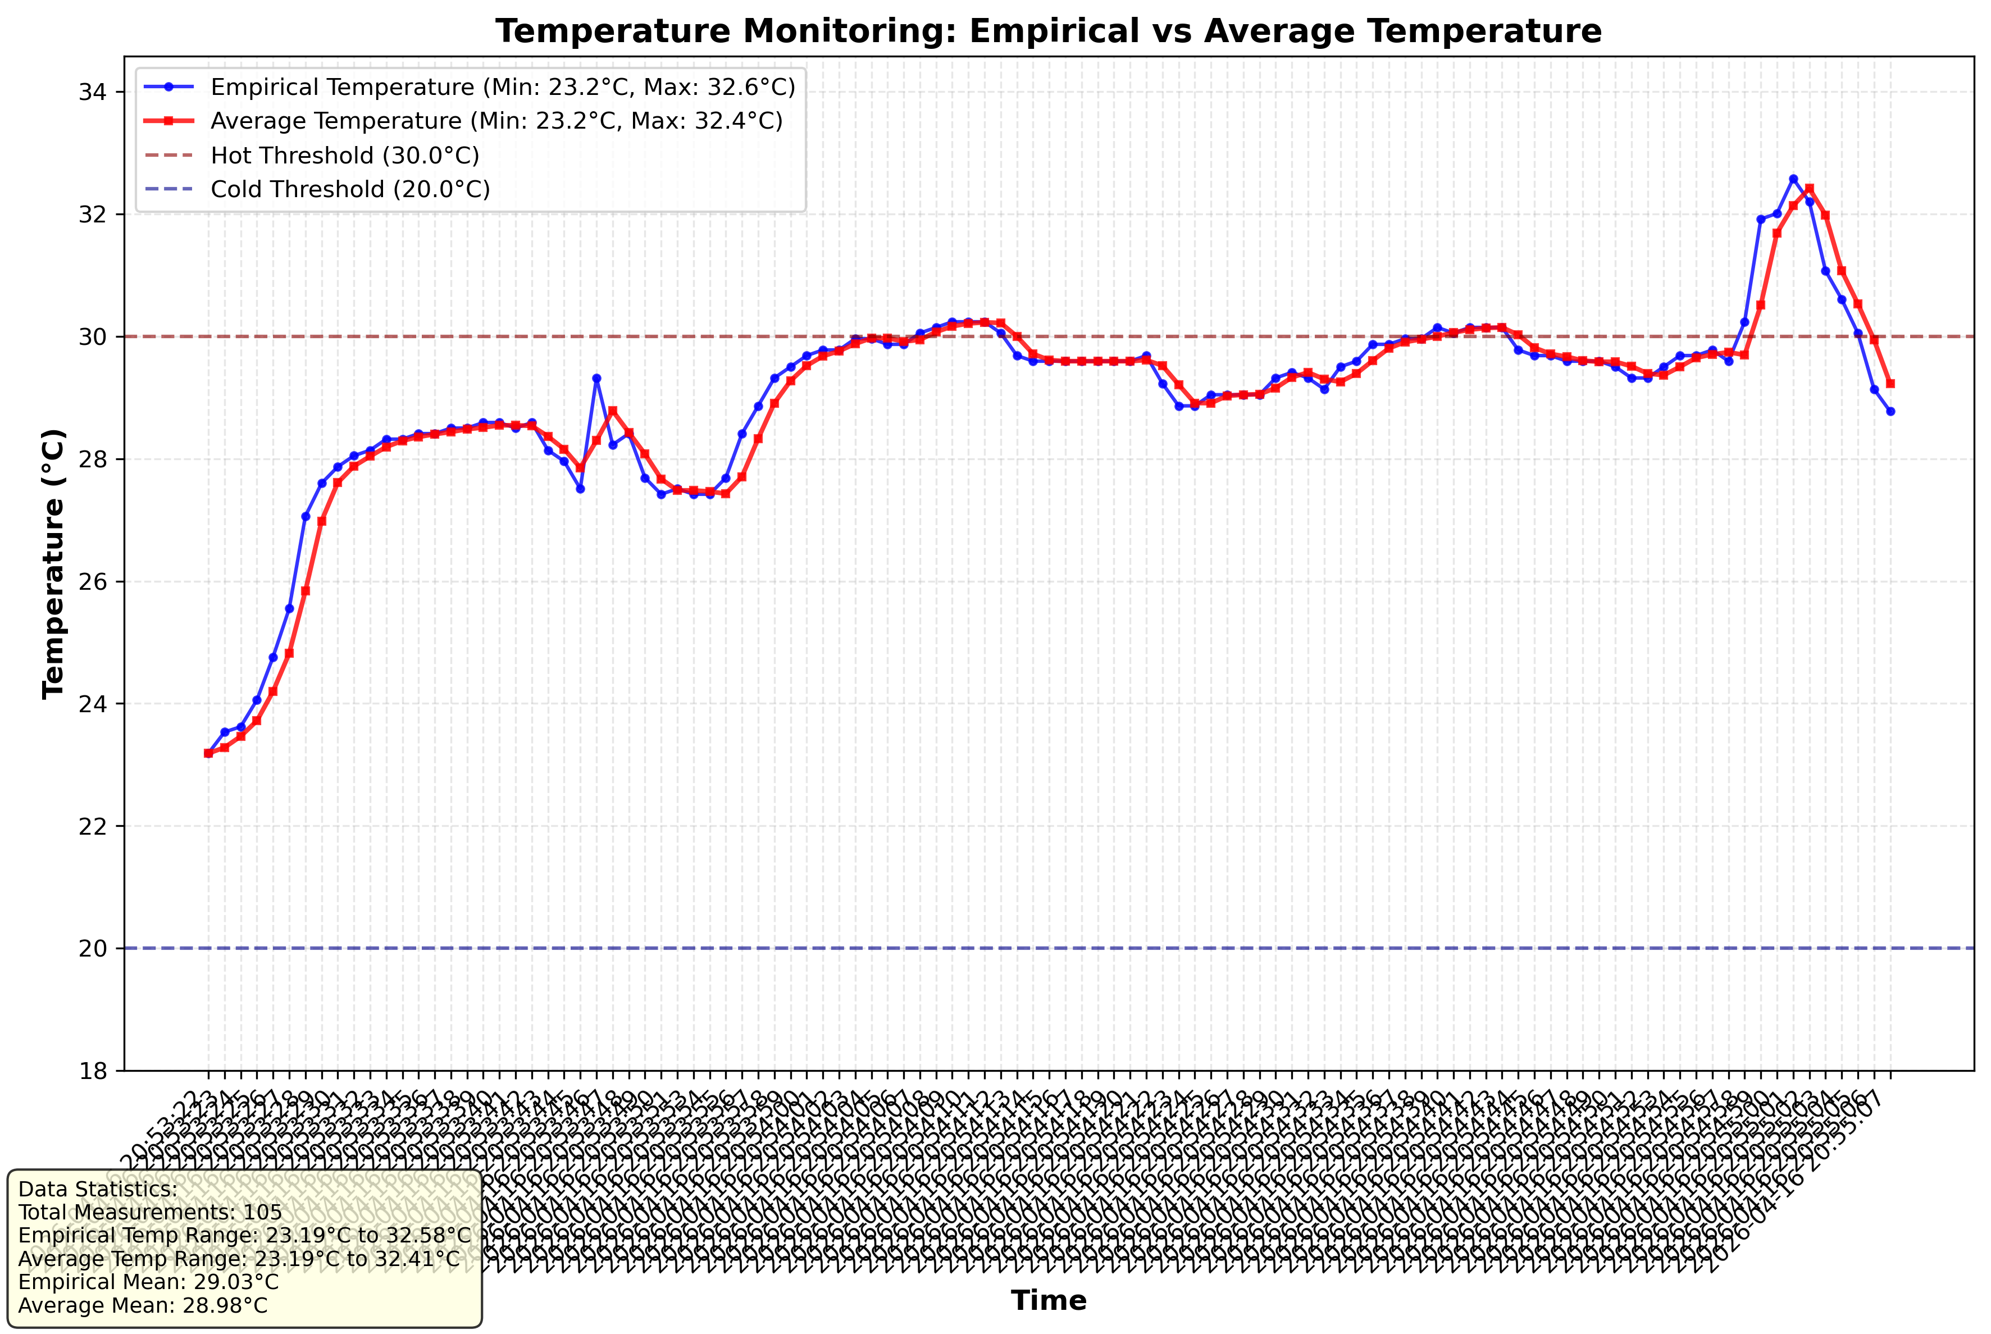
Temperature Monitoring Plot

